AUD
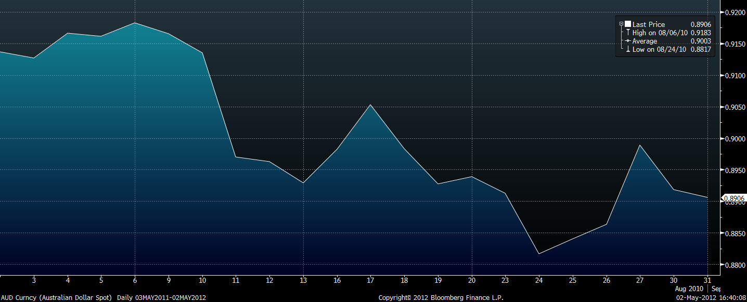
Date | AUD Price | Strength | Daily Return | Cum Return
2010-08-02 | 0.9137 | 0 | 0 | 0
2010-08-03 | 0.9127 | 0 | 0 | 0
2010-08-04 | 0.9166 | 0 | 0 | 0
2010-08-05 | 0.9161 | 0 | 0 | 0
2010-08-06 | 0.9183 | 0 | 0 | 0
2010-08-09 | 0.9165 | 0.025 | -0.008 | -0.008
2010-08-10 | 0.9135 | 0.034 | -0.017 | -0.025
2010-08-11 | 0.8970 | 0.065 | -0.208 | -0.233
2010-08-12 | 0.8963 | 0.222 | -0.069 | -0.302
2010-08-13 | 0.8929 | 0.291 | -0.074 | -0.376
2010-08-16 | 0.8982 | 0.287 | 0.191 | -0.185
2010-08-17 | 0.9053 | 0.196 | 0.416 | 0.231
2010-08-18 | 0.8983 | -0.004 | -0.038 | 0.193
2010-08-19 | 0.8927
2010-08-20 | 0.8939
2010-08-23 | 0.8913
2010-08-24 | 0.8817
2010-08-25 | 0.8840
2010-08-26 | 0.8863
2010-08-27 | 0.8989
2010-08-30 | 0.8918
2010-08-31 | 0.8906

Australian Dollar (AUD)
 | Strength | Cum Return | AUD Price
8/2/2010 | 0 | 0 | 0.9137
8/3/2010 | 0 | 0 | 0.9127
8/4/2010 | 0 | 0 | 0.9166
8/5/2010 | 0 | 0 | 0.9161
8/6/2010 | 0 | 0 | 0.9183
8/9/2010 | 0.025 | -0.008 | 0.9165
8/10/2010 | 0.034 | -0.025 | 0.9135
8/11/2010 | 0.065 | -0.233 | 0.8970
8/12/2010 | 0.222 | -0.302 | 0.8963
8/13/2010 | 0.291 | -0.376 | 0.8929
8/16/2010 | 0.287 | -0.185 | 0.8982
8/17/2010 | 0.196 | 0.231 | 0.9053
8/18/2010 | -0.004 | 0.193 | 0.8983
8/19/2010 |  |  | 0.8927
8/20/2010 |  |  | 0.8939
8/23/2010 |  |  | 0.8913
8/24/2010 |  |  | 0.8817
8/25/2010 |  |  | 0.8840
8/26/2010 |  |  | 0.8863
8/27/2010 |  |  | 0.8989
8/30/2010 |  |  | 0.8918
8/31/2010 |  |  | 0.8906

Gold
Date | Gold Price | Strength | Daily Return | Cum Return
2010-04-26 | 1188.90 | 0 | 0 | 0
2010-04-27 | 1195.50 | 0 | 0 | 0
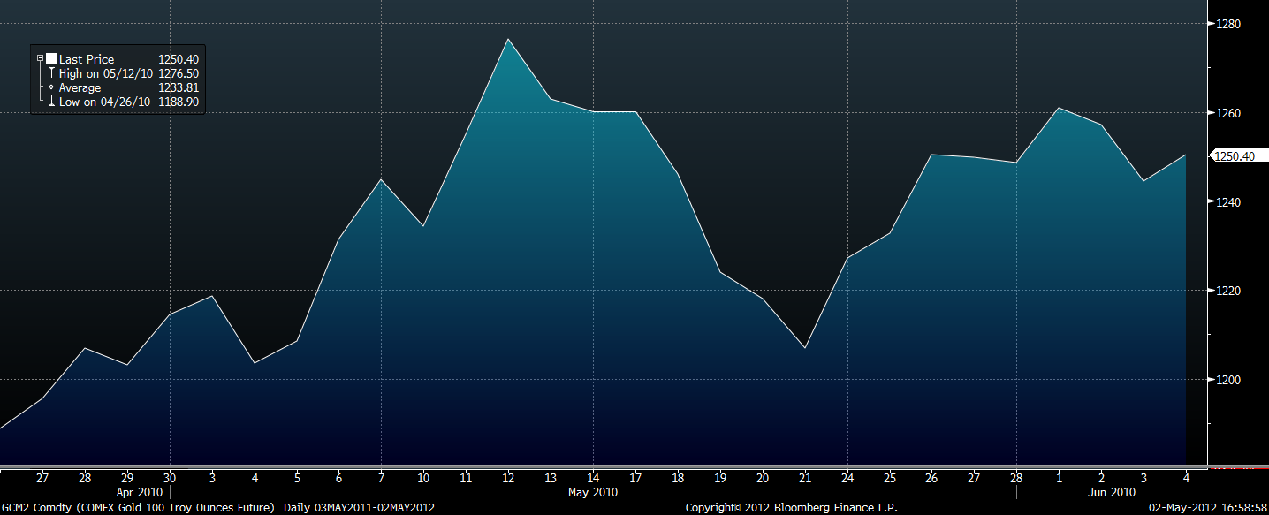
2010-04-28 | 1206.90 | 0 | 0 | 0
2010-04-29 | 1203.20 | 0 | 0 | 0
2010-04-30 | 1214.50 | 0 | 0 | 0
2010-05-03 | 1218.50 | 0 | 0 | 0
2010-05-04 | 1203.50 | 0 | 0 | 0
2010-05-05 | 1208.50 | 0 | 0 | 0
2010-05-06 | 1231.30 | 0 | 0 | 0
2010-05-07 | 1244.90 | 0.003 | 0.008 | 0.008
2010-05-10 | 1234.20 | 0.006 | -0.007 | 0.001
2010-05-11 | 1254.90 | 0.033 | 0.087 | 0.088
2010-05-12 | 1276.50 | 0.022 | 0.088 | 0.176
2010-05-13 | 1262.80 | 0.017 | -0.036 | 0.14
2010-05-14 | 1260.10 | 0.031 | -0.011 | 0.129
2010-05-17 | 1260.20 | 0.034 | -0.002 | 0.127
2010-05-18 | 1246.00 | 0.032 | -0.064 | 0.063
2010-05-19 | 1223.90 | 0.087 | -0.352 | -0.289
2010-05-20 | 1218.10 | 0.133 | -0.076 | -0.365
2010-05-21 | 1206.80 | 0.123 | -0.212 | -0.577
2010-05-24 | 1227.10 | 0.1 | 0.247 | -0.33
2010-05-25 | 1232.70 | 0.01 | -0.019 | -0.349
2010-05-26 | 1250.40 | 0.007 | 0.017 | -0.332
2010-05-27 | 1249.70 | 0.004 | -0.001 | -0.333
2010-05-28 | 1248.50
2010-06-01 | 1261.00
2010-06-02 | 1257.20
2010-06-03 | 1244.40
2010-06-04 | 1250.40

Gold (GCM2)
 | Strength | Cum Return | Gold Price
4/26/2010 | 0 | 0 | 1188.90
4/27/2010 | 0 | 0 | 1195.50
4/28/2010 | 0 | 0 | 1206.90
4/29/2010 | 0 | 0 | 1203.20
4/30/2010 | 0 | 0 | 1214.50
5/3/2010 | 0 | 0 | 1218.50
5/4/2010 | 0 | 0 | 1203.50
5/5/2010 | 0 | 0 | 1208.50
5/6/2010 | 0 | 0 | 1231.30
5/7/2010 | 0.003 | 0.008 | 1244.90
5/10/2010 | 0.006 | 0.001 | 1234.20
5/11/2010 | 0.033 | 0.088 | 1254.90
5/12/2010 | 0.022 | 0.176 | 1276.50
5/13/2010 | 0.017 | 0.14 | 1262.80
5/14/2010 | 0.031 | 0.129 | 1260.10
5/17/2010 | 0.034 | 0.127 | 1260.20
5/18/2010 | 0.032 | 0.063 | 1246.00
5/19/2010 | 0.087 | -0.289 | 1223.90
5/20/2010 | 0.133 | -0.365 | 1218.10
5/21/2010 | 0.123 | -0.577 | 1206.80
5/24/2010 | 0.1 | -0.33 | 1227.10
5/25/2010 | 0.01 | -0.349 | 1232.70
5/26/2010 | 0.007 | -0.332 | 1250.40
5/27/2010 | 0.004 | -0.333 | 1249.70
5/28/2010 |  |  | 1248.50
6/1/2010 |  |  | 1261.00
6/2/2010 |  |  | 1257.20
6/3/2010 |  |  | 1244.40
6/4/2010 |  |  | 1250.40

